Monthly
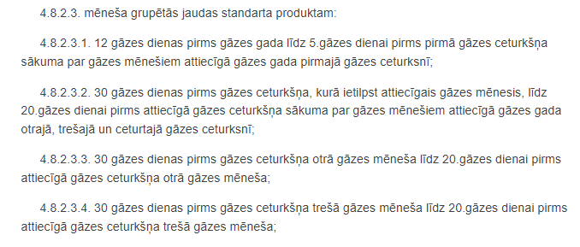
KIEMENAI IP CAPACITY ALLOCATION CALENDAR

Capacity product |  |  | Booking windows
Mothly | Period start | Period end | Booking start | Booking end | Booking start | Booking end | Booking start | Booking end
Oct24 | 2024-10-01 | 2024-10-31 | 2024-09-19 | 2024-09-26 | n.a. | n.a. | n.a. | n.a.
Nov24 | 2024-11-01 | 2024-11-30 | 2024-09-19 | 2024-09-26 | 2024-10-02 | 2024-10-12 | n.a. | n.a.
Dec24 | 2024-12-01 | 2024-12-31 | 2024-09-19 | 2024-09-26 | 2024-10-02 | 2024-10-12 | 2024-11-01 | 2024-11-11
Jan25 | 2025-01-01 | 2025-01-31 | 2024-12-02 | 2024-12-12 | n.a. | n.a. | n.a. | n.a.
Feb25 | 2025-02-01 | 29.02.2025 | 2024-12-02 | 2024-12-12 | 2025-01-02 | 2025-01-12 | n.a. | n.a.
Mar25 | 2025-03-01 | 2025-03-31 | 2024-12-02 | 2024-12-12 | 2025-01-02 | 2025-01-12 | 2025-01-30 | 2025-02-09
Apr25 | 2025-04-01 | 2025-04-30 | 2025-03-02 | 2025-03-12 | n.a. | n.a. | n.a. | n.a.
May25 | 2025-05-01 | 2025-05-31 | 2025-03-02 | 2025-03-12 | 2025-04-01 | 2025-04-11 | n.a. | n.a.
Jun25 | 2025-06-01 | 2025-06-30 | 2025-03-02 | 2025-03-12 | 2025-04-01 | 2025-04-11 | 2025-05-02 | 2025-05-12
Jul25 | 2025-07-01 | 2025-07-31 | 2025-06-01 | 2025-06-11 | n.a. | n.a. | n.a. | n.a.
Aug25 | 2025-08-01 | 2025-08-31 | 2025-06-01 | 2025-06-11 | 2025-07-02 | 2025-07-12 | n.a. | n.a.
Sep25 | 2025-09-01 | 2025-09-30 | 2025-06-01 | 2025-06-11 | 2025-07-02 | 2025-07-12 | 2025-08-02 | 2025-08-12

*All booking windows are opened at 5:00 UTC, 4:00 UTC when daylight saving is applied.
*All booking windows are closed at 5:00 UTC, 4:00 UTC when daylight saving is applied.

